Sheet1


 |  |  |  |  |  |  |  |  |  | 2024-11-22

Project: Bank Al Habib Limited 12th Floor

RATE ANALYSIS
Chilled water pipe Insualtion

S. # | Description | Material Rate | Cladding | Wastage 10% | Cons Glue / Solvent 10% | Over Head profit 20% | Total Rate | Unit | Qty | Amount
 | Brand: XLPE Aerofoam
 | Aerofoam insulation on chilled water pipe.
i | 25mm dia | 1,463 | 600 | 206 | 206 | 495 | 2,971 | Rft | 1 | 2,971 | 6200 | 1240 | 1,463
ii | 32mm dia | 1,859 | 650 | 251 | 251 | 602 | 3,612 | Rft | 1 | 3,612 | 7875 | 1575 | 1,859
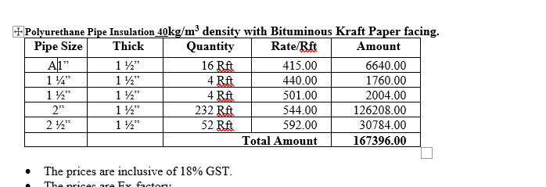
iii | 40mm dia | 1,982 | 700 | 268 | 268 | 644 | 3,863 | Rft | 1 | 3,863 | 8400 | 1680 | 1,982
iv | 50mm dia | 2,129 | 725 | 285 | 285 | 685 | 4,109 | Rft | 1 | 4,109 | 9020 | 1804 | 2,129
v | 60mm dia | 2,384 | 750 | 313 | 313 | 752 | 4,512 | Rft | 1 | 4,512 | 10100 | 2020 | 2,384

S. # | Description | Material Rate | Cladding | Wastage 10% | Cons Glue / Solvent 10% | Over Head profit 20% | Total Rate | Unit | Qty | Amount
 | Brand: PU
 | Polyurethane insulation (PU) on chilled water pipe.
i | 25mm dia | 560 | 600 | 116 | 116 | 278 | 1,670 | Rft | 1 | 1,670 | 2390 | 478 | 564
ii | 32mm dia | 610 | 650 | 126 | 126 | 302 | 1,814 | Rft | 1 | 1,814 | 2725 | 545 | 643
iii | 40mm dia | 665 | 700 | 137 | 137 | 328 | 1,966 | Rft | 1 | 1,966 | 2975 | 595 | 702
iv | 50mm dia | 690 | 725 | 142 | 142 | 340 | 2,038 | Rft | 1 | 2,038 | 3350 | 670 | 791
v | 60mm dia | 785 | 750 | 154 | 154 | 368 | 2,210 | Rft | 1 | 2,210 | 3800 | 760 | 897

Note: Suppliers' quotations attached.

For PIONEER SERVICES.

Bilal Habib

